Sheet1
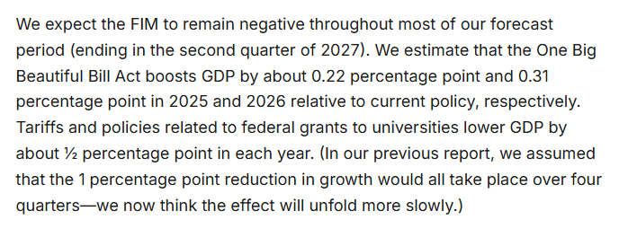
 | Effects of OBBBA |  |  |  |  | Effects of Tariffs
 | post changes FIM | post changes FIM without OBBBA | 0 |  |  | pre changes FIM | Current FIM without tariffs | 0
2025 Q2 | -0.24477549483 | -0.24477549483 | 0.00 |  | 2025 Q2 | -0.24477549483 | 0.33197847477 | -0.58
2025 Q3 | -0.031870410854 | -0.63174749441 | 0.60 |  | 2025 Q3 | -0.22679121675 | 0.52575513029 | -0.75
2025 Q4 | -0.36819629744 | -0.63681553539 | 0.27 | 0.22 | 2025 Q4 | -0.45121728225 | 0.24912503939 | -0.70 | -0.51
2026 Q1 | 0.17754835713 | -0.39726104364 | 0.57 |  | 2026 Q1 | 0.090269397362 | 0.69634154086 | -0.61
2026 Q2 | -0.31455667513 | -0.61620086402 | 0.30 |  | 2026 Q2 | -0.39836256599 | 0.061105326298 | -0.46
2026 Q3 | -0.45348329349 | -0.70514836864 | 0.25 |  | 2026 Q3 | -0.54427302978 | -0.088692667154 | -0.46
2026 Q4 | -0.61858704819 | -0.74390338614 | 0.13 | 0.31 | 2026 Q4 | -0.70577816925 | -0.25016762559 | -0.46 | -0.49
2027 Q1 | -0.75821772385 | -0.91920788138 | 0.16 |  | 2027 Q1 | -0.83175475601 | -0.47588569551 | -0.36
2027 Q2 | -0.63905024188 | -0.79631874956 | 0.16 |  | 2027 Q2 | -0.71228889012 | -0.48792538426 | -0.22

